Calc
CLEAR
REV8 RB

Zip Code | 95035 | <<ENTER VALUE
Climate Zone | 4
Climate Zone | 2,4,6-14 | << PICK FROM DROP DOWN
Building Type | School | << PICK FROM DROP DOWN
SARA | 30,000 | << ENTER VALUE
Conditioned Floor Space (CFA) in sq ft | 153,714 | << ENTER VALUE

EQUATION 140.10-A PHOTOVOLTAIC DIRECT CURRENT SIZE
CFA - CONDITIONED FLOOR SPACE - SQFT | A - PV CAPACITY PER TABLE 140.10-A | CFA MULTIPLED BY A - TABLE 140.10-A | DIVIDED BY 1000 | =kW_PVDC
153,714 | 1.63 | 250,554 | 1000 | 250.55

EQUATION SARA
 |  | SARA Multiplied | Power Density 14W/Ft2 | =kW_PVDC
 |  |  |  | 420.00

PV SIZE |  |  | =kW_PVDC
 |  |  | 250.55

EQUATION TABLE 140.10-B
kWPVDC - PV SYSTEM CAPACITY | B - FACTOR B ON TABLE 140.10-B | D - PV SP MULTIPLED BY FACTOR B ON TABLE 140.10-B | =kWh_batt
250.55 | 1.87 | 0.8 | 523.84

EQUATION TABLE 140.10-C
kWPVDC | C - BATTERY STORAGE CAPACITY FROM TABLE 140.10-B | =kW_batt
250.55 | 0.46 | 115.2547572

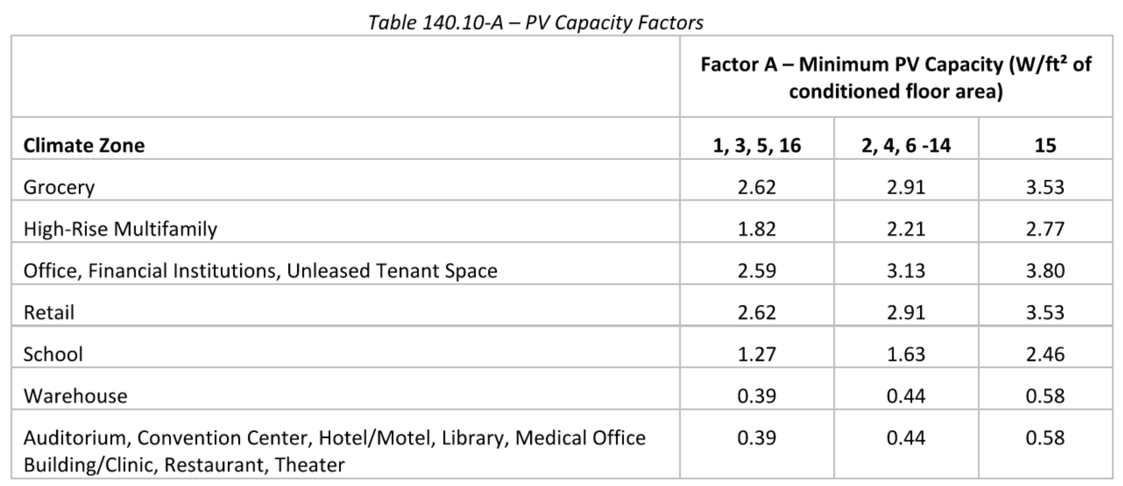
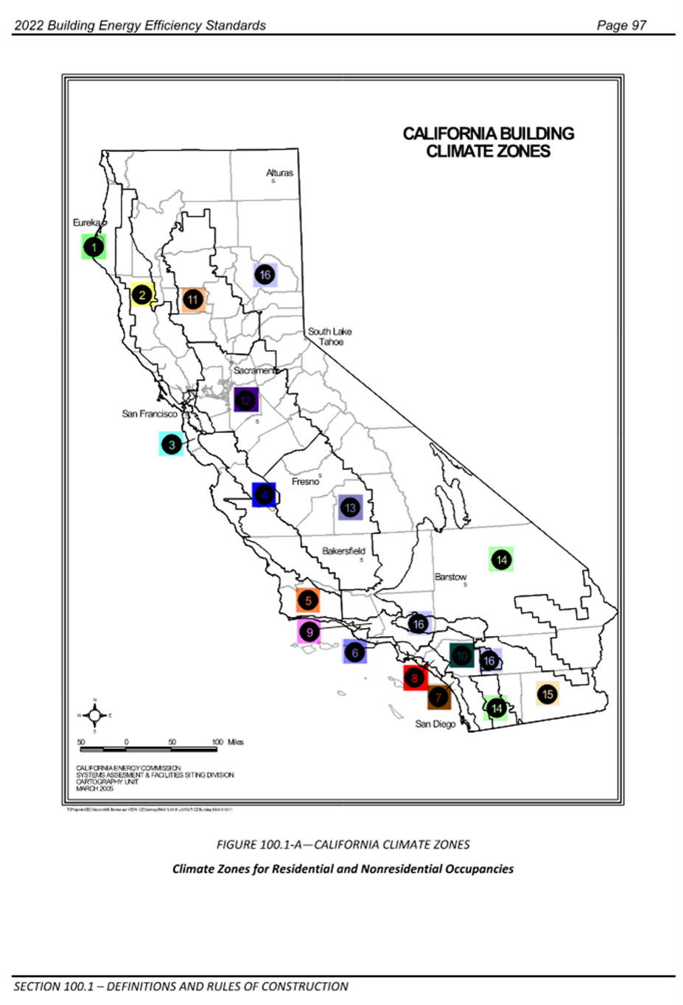

 |  | 1,3,5,16 | 2,4,6-14 | 15
 | Groc | 2.62 | 2.91 | 3.53
 | High | 1.82 | 2.21 | 2.77
 | Office | 2.59 | 3.13 | 3.8
 | Retail | 2.62 | 2.91 | 3.53
 | School | 1.27 | 1.63 | 2.46
 | Warehouse | 0.39 | 0.44 | 0.58
 | Audi | 0.39 | 0.44 | 0.58

Lists
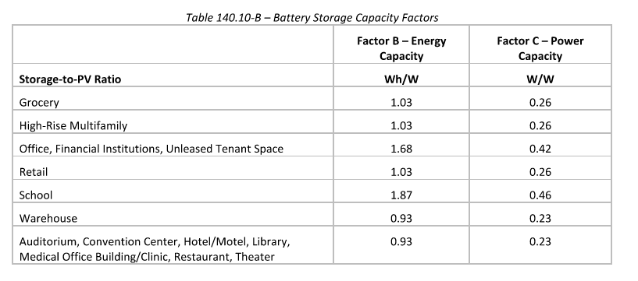
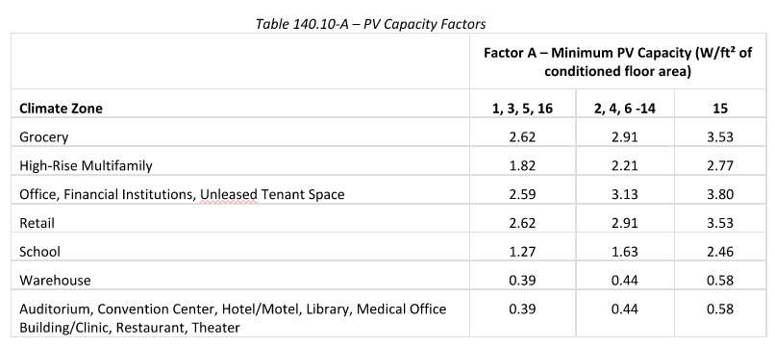
 | Climate Zone |  |  | Energy Capacity (Factor B) | Power Capacity (Factor C)
Building Types | 1,3,5,16 | 2,4,6-14 | 15
Grocery | 2.62 | 2.91 | 3.53 | 1.03 | 0.26
High-Rise Multifamily | 1.82 | 2.21 | 2.77 | 1.03 | 0.26
Office, Financial Institutions, Unleased Tenant Space | 2.59 | 3.13 | 3.8 | 1.68 | 0.42
Retail | 2.62 | 2.91 | 3.53 | 1.03 | 0.26
School | 1.27 | 1.63 | 2.46 | 1.87 | 0.46
Warehouse | 0.39 | 0.44 | 0.58 | 0.93 | 0.23
Auditorium, Convention Cente,r Hotel/Motel, Library | 0.39 | 0.44 | 0.58 | 0.93 | 0.23
Medical Office Building/Clinic, Restaurant, Theater | 0.39 | 0.44 | 0.58 | 0.93 | 0.23

